Script
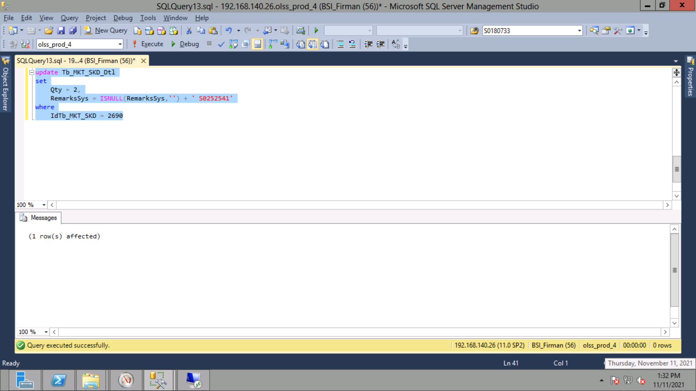
update Tb_MKT_SKD_Dtl
set
 | Qty = 2,
 | RemarksSys = ISNULL(RemarksSys,'') + ' S0252541'
where
 | IdTb_MKT_SKD = 2690

Capture
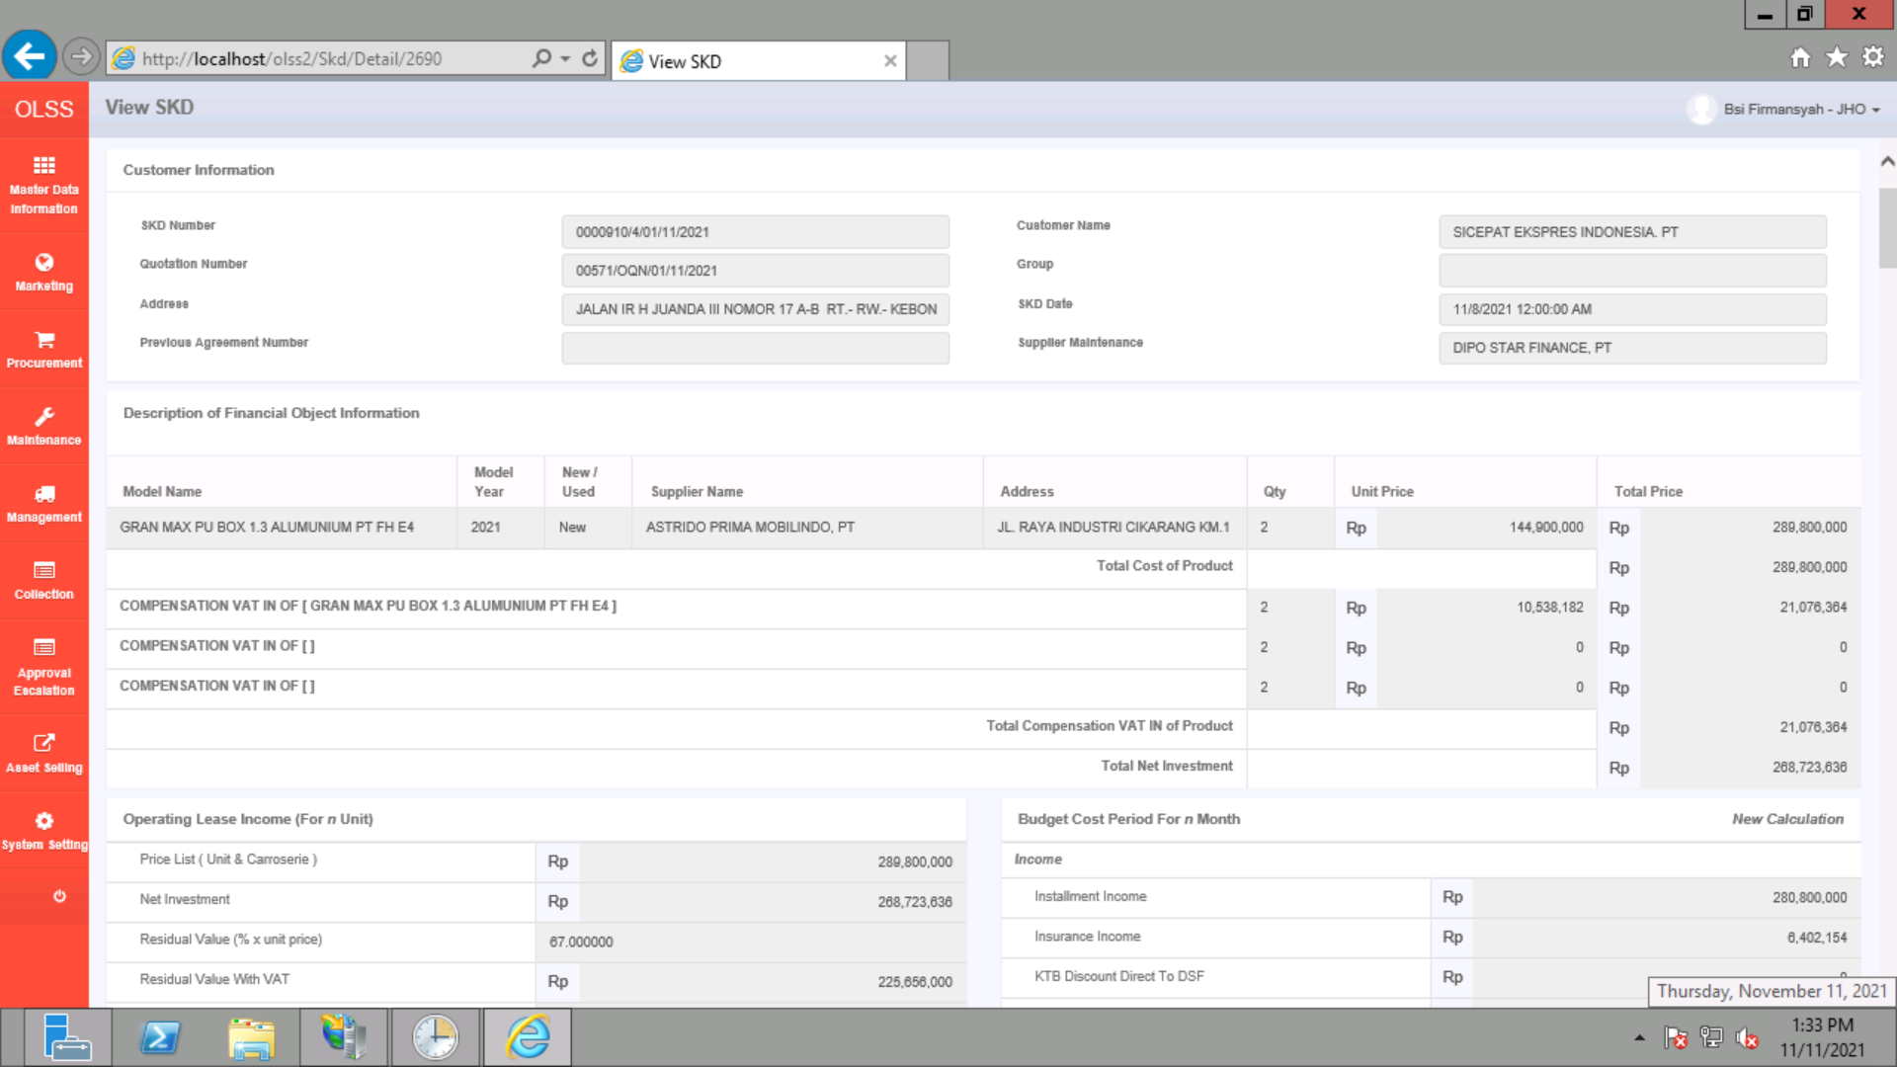
BEFORE
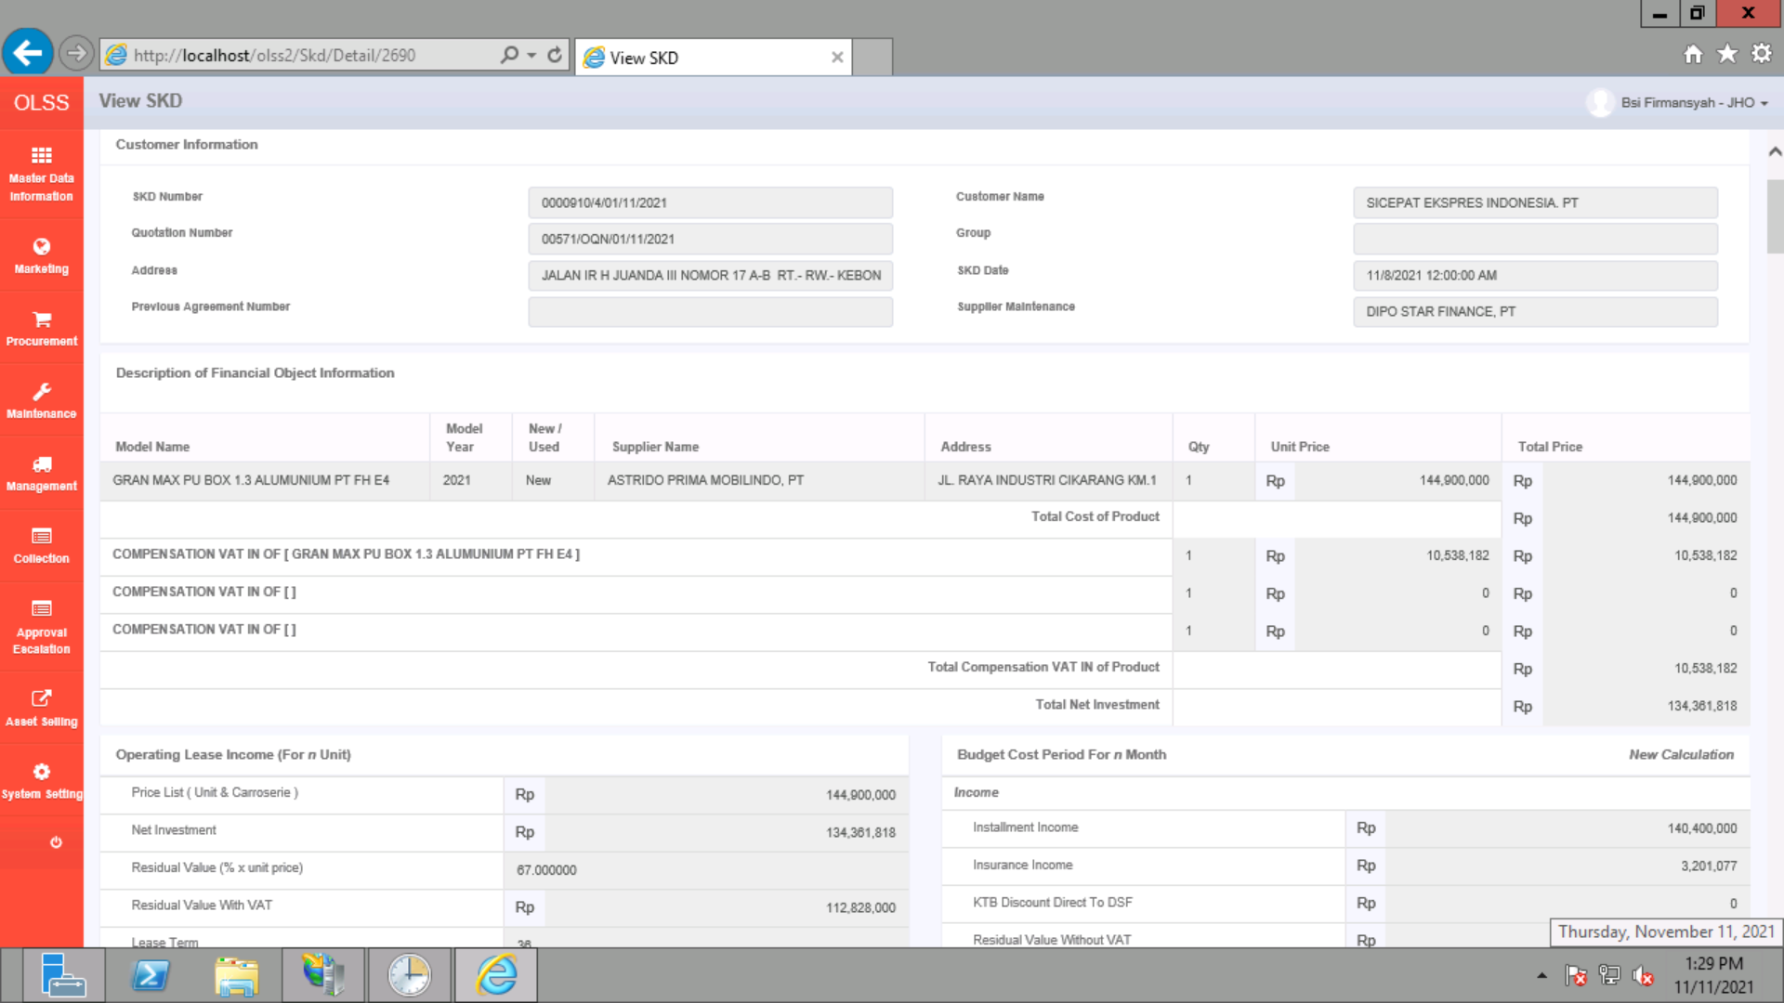

AFTER

AFTER

